Path Analysis
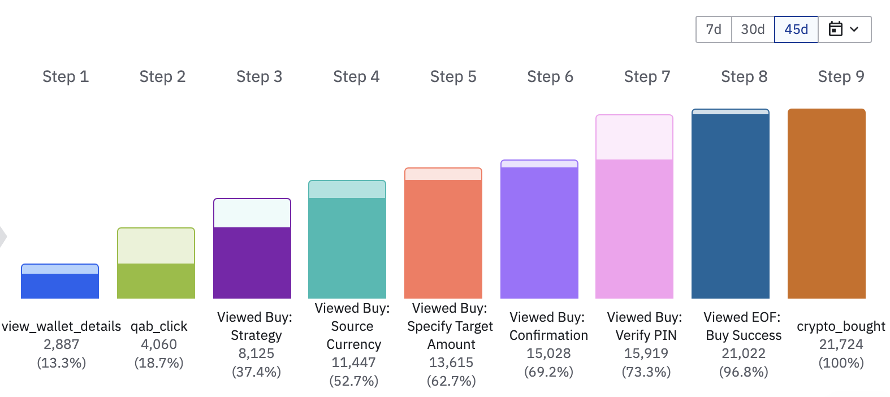
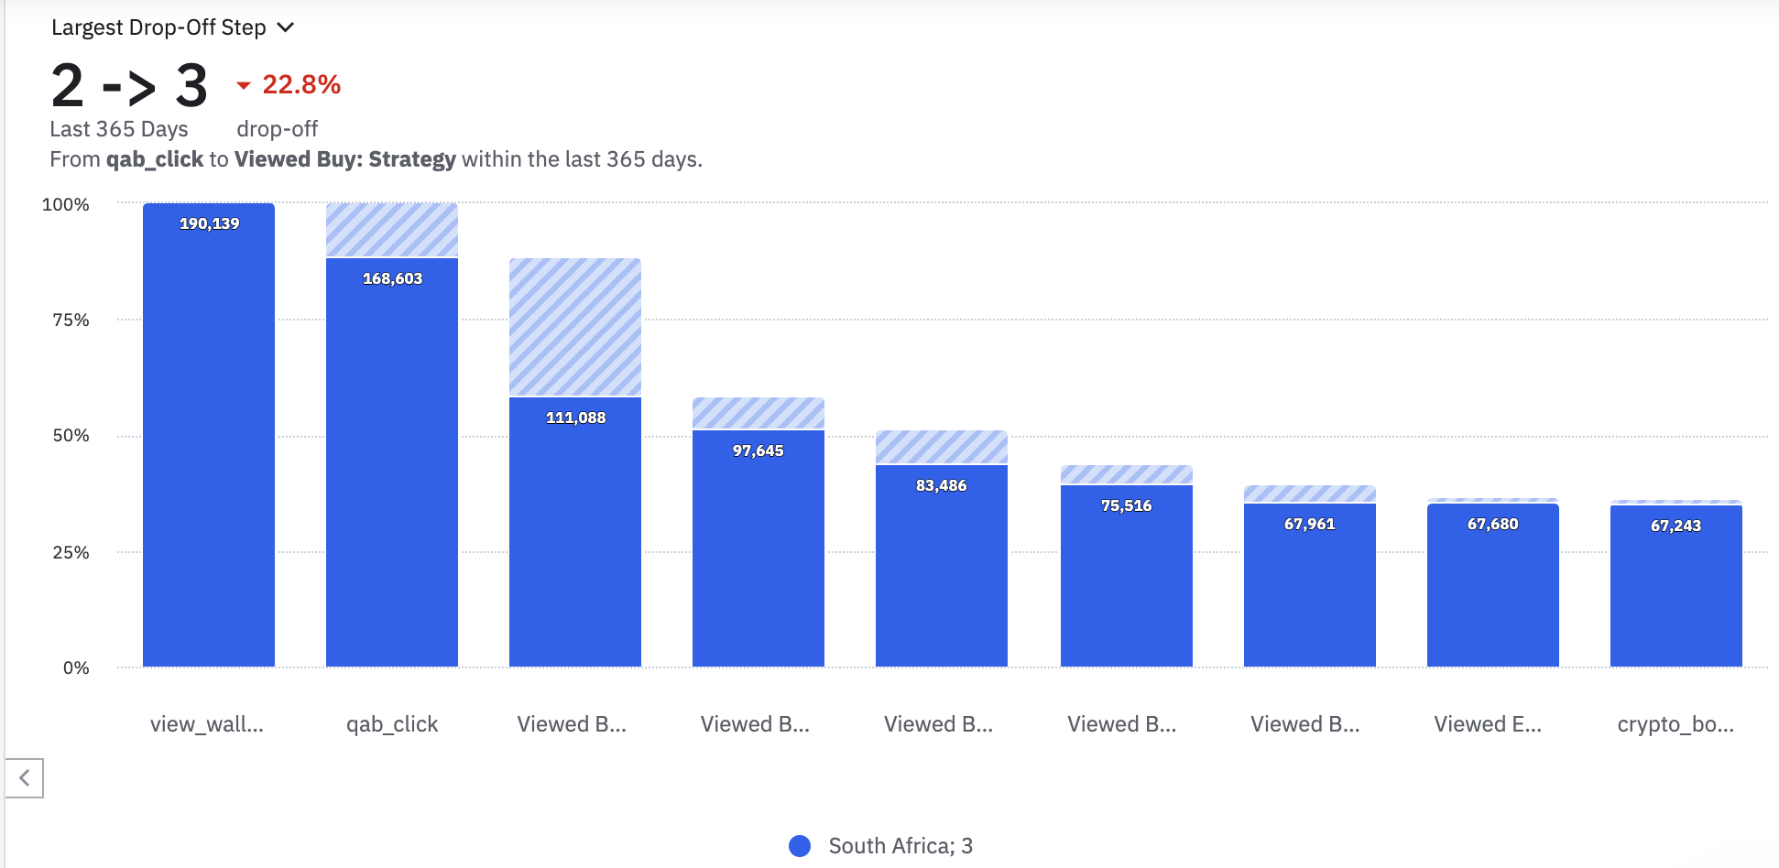
- The events for deposit to crypto purchase in amplitude are currently not clear and make it difficult to exctract insights about paths followed by customers when making a crypto purchase
- There will be a ticket that will be created in our next sprint to refine these event names to make it easier to draw insights when analysing deposit to crypto buy journey and drop-offs

